시트2
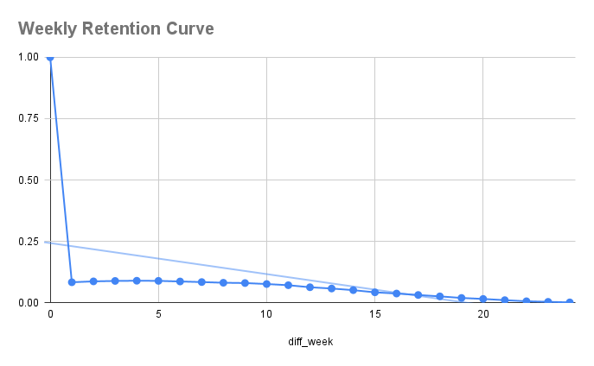

1주차에 Retention 커브가 급격하게 하향
이후에는 비교적 평평한 Curve (Retention Plateau) -> 핵심가치(PMF)를 경험했다고 가정

PMF를 경험한 유저들의 log 데이터를 확인 -> 해당 핵심가치 강화

